THO WMS->EPULL->E-POU Flow
THO MOSS
WMS |  | DSV

IDM VMI Inventory c/o SFTP

IDM Inventory c/o K'Sahlid database

Issuance
Receive ticket request
(Request/Borrowed)

E-PULL |  | Requesting (Controller) |  |  |  | Checking/Approval (substore & SV/Manager) |  |  |  |  |  |  |  |  |  | Receiving/Return(Substore)
Start
List of requested ticket.
Send the request to DSV via email/ Auto download of the generated file.
Receive materials.
PWH_0010

Request Ticket

Get warehouse inventory.
checked?
Convert to DSV excel format.
(consolidated in one excel file)
Ticket Created
Return materials.
Select Subarea and location
Compute standard quantity
enough?
approved?
 |  |  |  |  |  |  |  |  | No
 |  |  |  |  |  |  |  |  |  |  | Yes
 |  |  |  |  | Yes
 |  |  |  |  |  |  | Yes
List of approved ticket.

Select Partnumber
 |  |  |  | No
 |  |  |  |  |  |  |  |  |  |  | No
Tickets for approval. Approval link will be sent via email.

E-POU |  | Receiving (Controller) | Allocation/Withdrawal (Controller) |  |  |  |  | Scrap/Return(Technician/Controller) |  |  |  |  |  |  |  |  | Consumption (Camstar) | Consumption(Operator)

Start
Has for Return To MFG Controller?
Has for Scrap?
Has Return to Warehouse?
Material Withdrawal
(WIP Opertion)
Set Up IDM To Equipement
Auto Qty Consumption
by Track Out
 |  |  |  | Yes |  |  |  |  |  | No |  |  | No |  | No

Has HOST?
Allocate Material
Controller Receive
(PWH_0013)
Equipment Unload (API)
Return Materials
(PWH_0012)
 |  |  |  |  |  |  |  | Yes
 |  |  |  |  |  |  |  |  |  |  |  |  |  | Yes
 |  |  |  |  |  |  |  |  |  |  |  | Yes
Equipment Unload (API)
Equipment Unload (API)
Scrap Materials
(PWH_0004)

Has for Scrap?
Has Return To MFG Controller?
Has Return to Warehouse?
Manual Transaction
( Material Consumption)
 |  |  |  |  |  |  |  |  | Yes
Material Inv. Move
(PWH_0014)
 |  |  |  |  |  |  |  |  |  | No |  |  | No |  | Yes

 |  |  |  | No

 |  |  |  |  |  |  |  |  |  |  |  |  |  | No

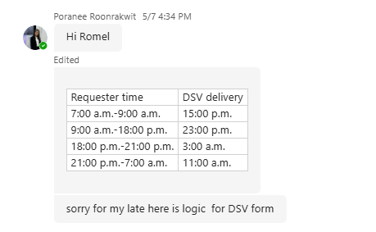
 | THO - DSV format for delivery schedule
 | Requester time | DSV delivery
 | 7:00 a.m.-9:00 a.m. | 15:00 p.m.
 | 9:00 a.m.-18:00 p.m. | 23:00 p.m.
 | 18:00 p.m.-21:00 p.m. | 3:00 a.m.
 | 21:00 p.m.-7:00 a.m. | 11:00 a.m.

Auto Request Workflow
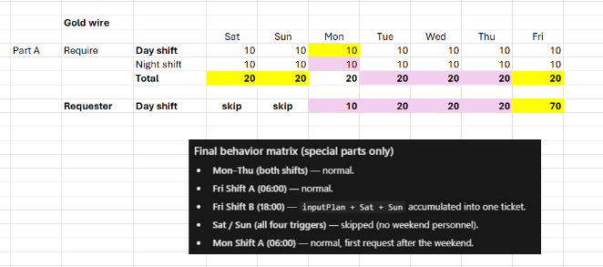
Start
A
Log event/data.
 |  |  |  |  | This auto request runs 2x a day. ShiftA & Shift B.
 |  |  |  | Logs

Is day = Tuesday, Wednesday,Thursday?
Is day = Monday?
Is day = Friday && Shift = A?
Check the auto request trigger. (MOSS DB)
already have approved ticket?
special parts?
(XCC000679,XCC000680)
 |  |  |  |  |  |  |  |  |  |  |  |  |  |  |  |  |  |  |  |  | Yes
 |  |  |  |  |  |  |  |  |  |  |  |  |  |  |  |  |  |  |  |  |  |  |  |  |  | No |  |  |  | No
Get material usage by location.

ongoing?
manually trigger?
Foreach sub area perform the next process
is there remaining subareas?
 |  |  |  |  |  |  |  |  |  |  |  |  |  |  |  |  |  |  |  |  |  |  |  |  |  |  |  |  |  |  |  |  |  |  |  |  | Yes
 |  |  |  |  |  |  |  |  |  |  |  |  |  |  |  |  |  |  |  |  |  | No
 |  | No |  |  |  |  |  | No |  |  |  |  |  |  |  |  |  |  |  |  |  |  |  |  | Yes |  |  |  | Yes |  |  | Yes

EffectiveInputPlan = Get build plan for the same day.
EffectiveInputPlan = sum of build plan for friday, sataruday, sunday and Monday's shiftA. .
Foreach location perform the next process
Foreach material usage perform the next process
EffectiveInputPlan = Build Plan * 2
A
EffectiveInputPlan = Build Plan
 |  |  |  |  |  |  | Yes |  |  |  |  |  |  |  |  |  |  |  |  |  |  |  |  |  |  |  |  |  |  |  |  |  |  |  |  |  |  | No
 | Yes

allow request based on frequency?
is there remaining location?
 |  |  |  |  |  |  |  |  |  |  |  |  |  |  |  |  |  |  |  |  | Yes
 |  |  |  |  |  |  |  |  |  |  |  |  |  |  |  |  |  |  |  |  |  |  |  |  |  |  |  |  |  |  |  |  |  |  | Yes
Get all sub areas (MFG).
End
Delete the generated request for the shift(if any)
 |  |  |  |  |  |  |  |  |  |  |  |  |  |  |  |  |  |  | No
Get locations by subarea.

B
Add to ticket.
 |  |  |  |  |  |  |  |  |  |  |  |  |  |  |  |  |  |  |  |  |  |  |  |  |  |  |  |  |  |  |  |  |  |  |  | No
special parts?
(XCC000679,XCC000680)

failed?
Use alternate partnumber.
Send email to IT/support
Start generating request.
Update the trigger to "ongoing".
 |  |  |  |  |  |  |  |  |  |  |  |  |  |  |  |  |  | No
 |  |  |  |  |  |  |  | No
Get build plan for today.
Get build plan for tomorrow.
is there remaining material?
Is suggested qty = 0 and there is a alternate partnumber?
 |  |  |  |  |  | Yes
Is suggested qty = 0?
Save ticket to DB.
 |  |  |  |  |  |  |  |  |  |  |  |  |  |  |  |  |  |  |  |  |  |  |  |  |  |  |  |  |  |  |  |  |  | No
 |  |  |  |  |  |  |  |  |  |  |  |  |  |  |  | Yes |  |  |  |  |  |  |  |  |  |  | Yes | No
Is Shift A?

Is Weekend?
Is Shift B?
Is Monday Shift A?
 |  |  |  |  |  |  |  |  |  |  |  | Yes |  |  |  |  |  |  |  |  |  |  |  | No
 |  |  |  |  |  |  |  |  |  |  |  |  |  |  |  |  |  |  |  |  |  |  |  |  |  |  |  |  |  |  |  |  | Yes
 |  |  |  |  |  |  |  |  |  |  |  |  |  |  |  |  |  |  |  |  |  |  |  |  |  |  |  |  |  |  | Yes
 |  |  |  |  |  |  |  |  |  |  |  |  |  |  |  |  | No |  |  |  | No
 |  |  |  |  |  |  |  |  |  |  | No

 |  |  |  |  |  |  |  |  |  |  |  |  |  |  |  | Yes |  |  |  | Yes |  |  |  | Yes

A
A
A
A

Get VMI inventory from SFTP.
Check for alternate partnumber.
Get the reference quantity by subtracting the ongoing request to the warehouse inventory.
Compute Suggested Quantity per material
B
Get QPU.
Get the warehouse quantity and the ongoing request quantity

Return 0 and the alternate partnumber.

has alternate?
VMI quantity 0?
QPU is 0?
Return 0.
Compute std qty: QPU * (input plan/2)
Get the standard quantity based on material Moq.
 |  |  |  |  |  |  |  |  |  |  |  |  |  |  |  |  |  |  |  |  |  |  |  | Yes
 |  |  |  |  |  |  |  |  |  |  |  |  |  |  |  |  | Yes
 |  |  | Yes

 |  |  |  |  |  |  |  |  |  |  |  |  |  |  |  |  |  |  |  |  |  |  | No

 |  |  |  |  |  |  |  |  |  |  |  |  |  |  | No
reference quantity > std. qty?
reference quantity 0?
Return 0.
 |  |  |  |  |  |  |  |  |  |  |  | Yes

Return standard quantity.
VMI quantity > std. qty?
 |  |  |  |  |  |  |  |  | Yes | No

Return standard quantity.
 |  |  |  |  |  |  |  |  |  |  |  |  |  |  |  |  | Yes

 |  |  |  |  |  |  |  |  |  |  |  |  | No

 |  |  |  |  |  |  |  |  |  |  |  |  |  | No

Return remaining quantity.
Return VMI remaining qty.

